Results
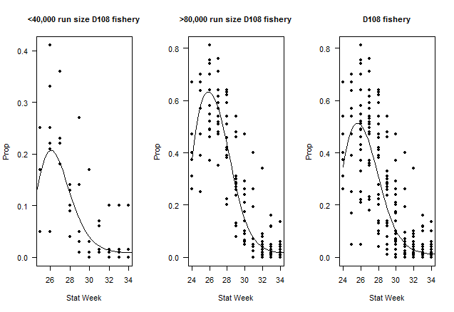
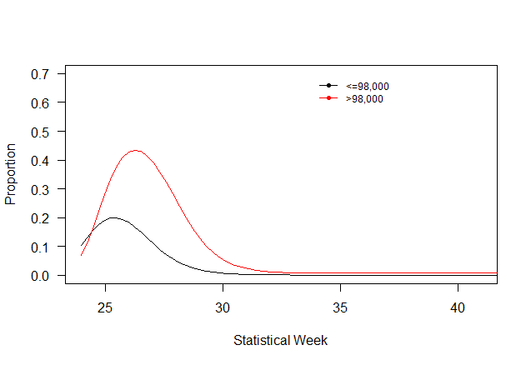
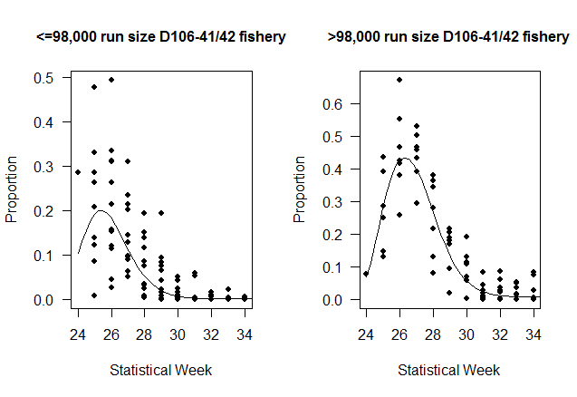
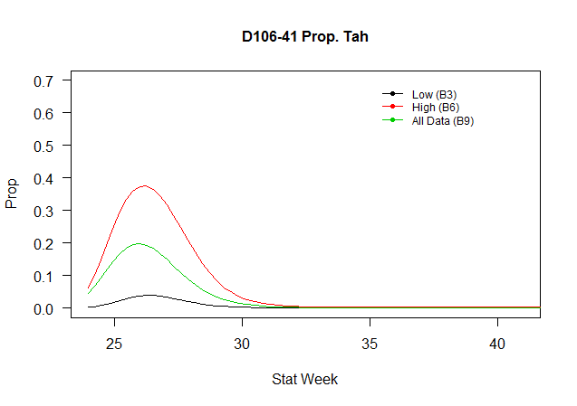
Table 1: District 108 Tahltan Proportion of Catch

Data (Fishing District, Trigger Run Size) | Model | Description | Parameters (p) | Datapoints (n) | AICc | ΔAICc | adj. R2
D106-41 <=98,000 | B1 | Linear | 2 | 118 | 410 | 7 | 0.69
D106-41 <=98,000 | B2 | Polynomial (2) | 3 | 118 | 412 | 9 | 0.69
D106-41 <=98,000 | B3 | Polynomial (3) | 4 | 118 | 403 | 0 | 0.71
D106-41 >98,000 | B4 | Linear | 2 | 70 | 257 | 11 | 0.54
D106-41 >98,000 | B5 | Polynomial (2) | 3 | 70 | 253 | 8 | 0.57
D106-41 >98,000 | B6 | Polynomial (3) | 4 | 70 | 246 | 0 | 0.63

